Delivery Booking Form
BoE Booking Form

SUPPLIER DETAILS
Supplier name |  |  |  | Contact number
Supplier Contact |  |  |  | Email address
ATTENDANCE DETAILS
Requested delivery date at OSCC |  |  |  | Requested delivery time at OSCC
DRIVER DETAILS
Driver's Name |  |  |  | Vehicle Registration
Passenger's Name(s) |  |  |  | Delivery Company
Vehicle Size |  |  |  | Drivers Mobile No:
NON- UNLOADABLE CONSIGNMENTS
All drivers and passengers travelling to the Bank of England via the OSCC will be subject to passive screening by an explosive detection dog, please also note the requirement to present original photo identification in the form of a valid CEVA pass, valid driving licence or Passport. Failure to comply with either request will result in the refusal of access.
Please tick the box if you intend to travel to the Bank of England after reporting to a screening facility located 40-48 Chase Road, NW10 6PX |  |  |  |  |  | Please tick the box to indicate that you have read and understood the statement above
DELIVERY DETAILS
Delivery location (Please refer to Delivery Points) | Quantity for Destination | Delivery Medium | Ambient/Chilled/Frozen |  | Description of Goods/ Services | Goods/ services for the attention of | Purchase Order Number | Delivery To Be Forwarded Into BOE (DD/MM)
Please select
Please select
Please select
Please select
Please select
Please select
Please select
Please select

Appendix No: L13
Version: 1.0
Version Date: 01/08/2017
Produced & Controlled by: Liaison Team Page: 1 of 1

Supplier Guide
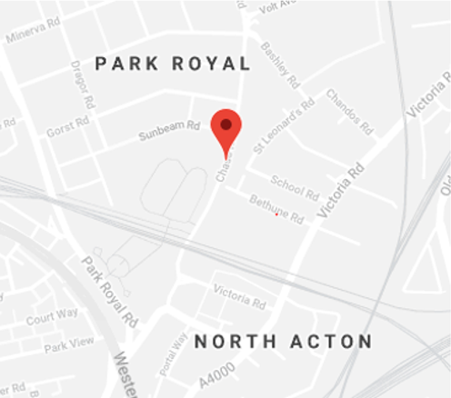
Supplier Guide - Offsite Conslidation Centre
Where to find us CEVA Logistics Limited 40-48 Chase Road Park Royal London NW10 6PX How to contact us Email- OSCCArrivals@Cevalogistics.com Telephone – 0208 453 0500 What are our Operating Hours? Transport Trackers- Monday 04:00 through to Saturday 13:00 and Sunday 05:00-13:00 *(first tracker accepted at 05:30 last tracker accepted at 12:00) Warehouse Deliveries are accepted between 00:20 and 16:00 Monday to Friday *(deliveries are not accepted Saturday or Sunday) Customer Services- 07:00-18:00 Monday to Friday Please note the OSCC is a secure facility and all entry requirements and search protocols are mandatory which includes canine screening- should you require further information about your visit please contact your customer contact or CEVA Customer Service.

The Booking Process The OSCC is a secure facility and has a series of mandatory search protocols for anyone entering the compound which includes canine screening Suppliers book access via our online CEVA booking platform- in the interest of security telephone bookings are not accepted- suppliers can also amend their bookings on the portal We operate a standard logistics booking process for arrivals- this is necessary to control both the flow of traffic into the OSCC and also to enable customers goods to be processed in order of priority Should you have any queries on what is required to book please call Customer Service and they will be happy to help In the event that your vehicle is delayed and you will miss your booked arrival time, we will work with you to facilitate entry as soon as we can, please call Customer Service as soon as possible. They will assist in finding the closest available booking slot to your revised ETA- it is necessary to allocate another booking slot to ensure late arrivals do not impact other suppliers The courier service is designed for singe parcel deliveries such as Amazon and the delivery driver does not need to pre-book, if you are unsure your delivery fits into the courier category please contact Customer Services who will be happy to help

Warehouse Deliveries This is a delivery where your product will be unloaded at the OSCC and consolidated for secure transportation to the customer site. You will have pre-booked on the CEVA platform and been provided with a unique access code. Your driver& passengers are required to provide the code on arrival. In the event that the booked details do not correspond with the booking entry will be declined. Please refer to the Goods Presentation section for clarification on how goods should be delivered. | Trackers This is a delivery where your product remain on your vehicle to the customer site. You will have pre-booked on the CEVA platform and been provided with a unique access code. Your driver & passengers are required to provide the code along with driver’s license or passport on arrival or customer site access pass. In the event that the booked details do not correspond with the booking entry will be declined. Your vehicle will undergo a series of mandatory security protocols. A pre-defined route will be set for the driver to follow and a tracking device issued for the duration of the journey- a member of the transport team will take the driver & passengers through each step. CEVA reserve the right to recall the vehicle back to the OSCC for further screening if a vehicle comes off route.

*If you are unsure which category your deliver falls into please contact your customer contact or Customer Services

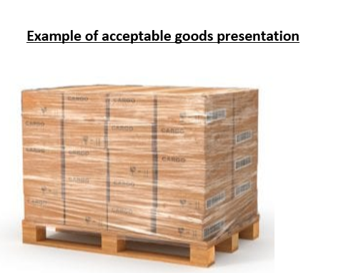
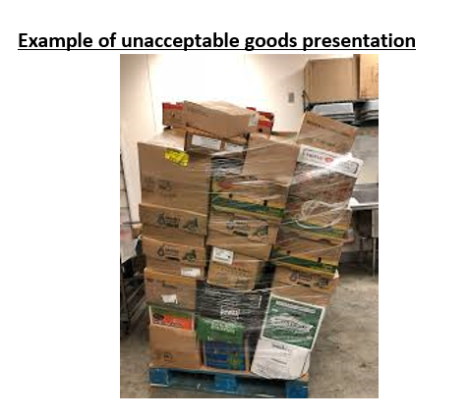
Good Presentation Goods for delivery into the warehouse should be presented in such a way that safe unloading is possible, for example collapsed or damaged pallets cannot be safely unloaded Products should be identified and separated by drop point The OSCC operates to BRC standard- chilled products are accepted at 0-5 degrees and frozen products at less than -18 degrees - any product with temperatures outside these ranges will be rejected & we ask that you specify the type of product at the booking stage Drivers must wear appropriate protective clothing(including headwear for high risk perishable goods) when handling good to prevent cross contamination Please refer to the Goods Presentation section for clarification on how goods should be delivered

OSCC Site & Safety Rules Please take a moment to read this important information.

Any individual reporting to the OSCC with the intention of travelling to the customer site must present drivers licence or passport with their access code, failure to produce the required identification will result the individual(s) being declined access. Drivers and passengers delivering to the OSCC ONLY are not required to provide ID. Drivers and passengers should be advised that any security related comments must be acted upon and appropriate action taken. Under no circumstances are drivers permitted to take rest periods within the compound or to take a tachograph break. Staff at the OSCC have the right to undertake their duties, verbal physical or threats against our staff will not be tolerated under any circumstances- anyone who displays such behaviour will be asked to leave immediately and reported to the police.

Offsite Consolidation Centre (OSCC) Supporting Information to assist you to make a successful delivery The OSCC is operating to ensure all supplier vehicles and products destined for the customer estate undergo mandatory stringent security checks prior to entering the customer estate. The majority of products will be consolidated and delivered to the customer estate via a dedicated *OSCC fleet. Examples of this type of product include catering, small parcel deliveries, cleaning materials The OSCC team will make a visual quality check of products and identify any visible damage; however please be advised product is not checked at line level for quantity or quality, delivery invoices are stamped and accepted at the OSCC for onward delivery to the customer who will check the order on receipt Some products are not suitable for transferring to the OSCC fleet but still require the same level of screening. Examples of this type of product include scaffolding, construction products such as bricks and specialised items such as artwork. Those products are called *Trackers and travel to the customer estate in the suppliers own vehicle via a set route that is tracked by the OSCC team *If you are unsure which category your deliver falls into please speak to your customer contact or Customer Services

