Table C
Table C: Consumer credit by category(a)
Sterling
Seasonally adjusted
 |  | Credit card(b) |  |  |  |  | Other loans and advances(c)
 |  | Amounts | Changes | Growth rates |  |  | Amounts | Changes | Growth rates
 |  | outstanding |  | 1m | 3m(ann) | 12m | outstanding |  | 1m | 3m(ann) | 12m
 |  | £ billions | £ billions | per cent | per cent | per cent | £ billions | £ billions | per cent | per cent | per cent

 |  | VZRJ | VZQX | B7A4 | VZZM | VVUZ | B4TS | B4TU | B4TK | B4TM | B4TQ
2019 | Mar | 72.7 | 0.3 | 0.4 | 6.5 | 6.6 | 144.0 | 0.3 | 0.2 | 5.6 | 6.3
 | Apr | 72.8 | 0.2 | 0.3 | 5.5 | 5.8 | 144.3 | 0.8 | 0.6 | 5.3 | 6.0
 | May | 72.9 | 0.3 | 0.4 | 4.8 | 5.5 | 144.6 | 0.6 | 0.4 | 4.8 | 5.7
 | Jun | 72.9 | 0.3 | 0.4 | 4.5 | 5.1 | 145.2 | 0.8 | 0.5 | 6.2 | 5.7

Previous 6m avg: |  |  | 0.3 |  |  |  |  | 0.7

(a) For further statistics relating to credit card lending and other loans and advances, see Bankstats Table A5.6. Also see the Visual summary
of household credit.
(b) The equivalent series not seasonally adjusted are also available on Bankstats Table A5.6. This is with the exception of the growth rates, which are available on the Statistical
Interactive Database as codes B8A4, B8A5 and B8A7.
(c) The equivalent series not seasonally adjusted are also available on Bankstats Table A5.6. This is with the exception of the growth rates, which are available on the Statistical
Interactive Database as codes B4TL, B4TN and B4TR.

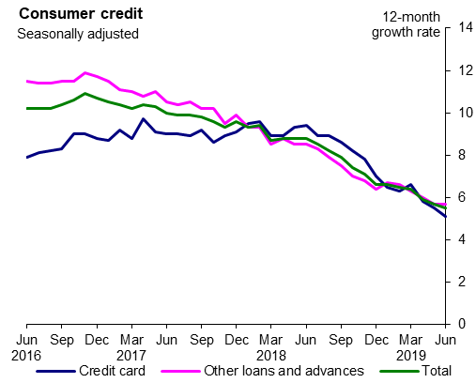

Key links:

Bankstats Tables

Visual summary - household credit

Statistical Interactive Database

Table D
Table D: Lending secured on dwellings(a)
Sterling
Seasonally adjusted(b)

 |  | Amounts | Changes(c) | Growth rates |  |  | Gross lending | Repayments
 |  | outstanding |  | 1m | 3m(ann) | 12m
 |  | £ billions | £ billions | per cent | per cent | per cent | £ billions | £ billions

 |  | VTXK | VTVJ | VTYF | VTYG | VTYI | VTVC | B86L
2019 | Mar | 1,414.3 | 4.0 | 0.3 | 3.0 | 3.2 | 21.5 | 17.8
 | Apr | 1,418.1 | 4.0 | 0.3 | 3.2 | 3.2 | 22.5 | 18.2
 | May | 1,421.1 | 2.9 | 0.2 | 3.1 | 3.2 | 22.2 | 19.5
 | Jun | 1,424.2 | 3.7 | 0.3 | 3.0 | 3.1 | 21.8 | 18.4

Previous 6m avg: |  |  | 3.5 |  |  |  | 22.3 | 18.8

(a) For further statistics relating to lending secured on dwellings, see Bankstats Tables A5.2, A5.3 and
A5.5. Also see the Visual summary of household credit.
(b) The equivalent series not seasonally adjusted are also available on Bankstats Tables A5.2, A5.3 and A5.5, with the exception of the
three-month annualised growth rate, which is available on the Statistical Interactive Database as code B3XJ.
(c) The changes series will not necessarily equal gross lending minus repayments, due to the seasonal adjustment methodology used
and small differences in coverage between the three series.

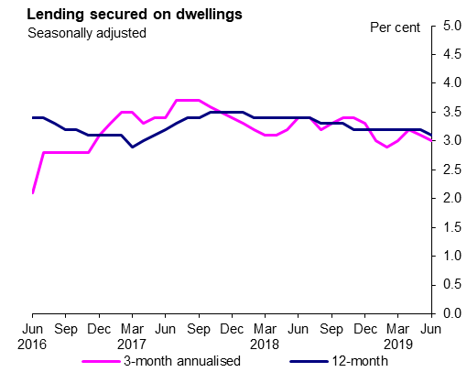

Key links:

Bankstats Tables

Visual summary - household credit

Statistical Interactive Database

Table E
Table E: Approvals of loans secured on dwellings(a)
Sterling
Seasonally adjusted(b)
 |  | Total |  | House purchase |  | Remortgaging |  | Other
 |  | Value(c) | Number | Value | Number | Value | Number | Value | Number
 |  | £ billions |  | £ billions |  | £ billions |  | £ billions

 |  | VTVQ | B3C8 | B4B5 | VTVX | B4B6 | B4B3 | B4B7 | B4B4
2019 | Mar | 21.5 | 126,469 | 11.9 | 62,550 | 8.8 | 49,359 | 0.7 | 14,560
 | Apr | 21.8 | 129,737 | 12.6 | 66,258 | 8.6 | 49,056 | 0.7 | 14,423
 | May | 21.7 | 127,202 | 12.7 | 65,647 | 8.2 | 46,816 | 0.7 | 14,740
 | Jun | 21.8 | 128,132 | 12.9 | 66,440 | 8.2 | 46,976 | 0.7 | 14,717

Previous 6m avg: |  | 21.8 | 128,411 | 12.4 | 65,247 | 8.6 | 48,735 | 0.7 | 14,429

(a) For further statistics relating to approvals of loans secured on dwellings, see Bankstats Table A5.4.
Also see the Visual summary of household credit.
(b) The equivalent series not seasonally adjusted are also available on Bankstats Table A5.4.
(c) Owing to the seasonal adjustment methodology, this series may not equal the sum of its components.

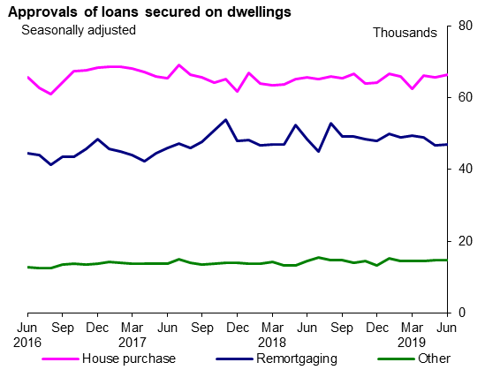

Key links:

Bankstats Tables

Visual summary - household credit

Statistical Interactive Database

Table F
Table F: Net finance raised by Private Non-Financial Corporations (a)
All currencies, £ billions
Seasonally adjusted

 |  | Net finance | of which:
 |  | raised by PNFCs |  |  | Commercial
 |  | from MFIs and | Equity issued | Bonds issued | paper issued | Loans by
 |  | capital markets(b) | by PNFCs(c) | by PNFCs(d) | by PNFCs(d) | MFIs(e)

 |  | VYVV | ZID5 | Z93T | B32L | B93K
2019 | Mar | 1.3 | -1.8 | 3.5 | -0.7 | -0.8
 | Apr | 5.7 | 1.2 | 2.9 | -1.1 | 4.4
 | May | 1.8 | -0.8 | 2.6 | -0.6 | 1.1
 | Jun | 3.3 | -0.8 | 1.4 | -1.0 | 2.5

Previous 6m avg: |  | 2.8 | -0.6 | 0.6 | 0.9 | 2.0

(a) For further statistics relating to net finance raised by private non-financial corporations, see Bankstats
Tables A8.1 and E3.1. Also see the Visual summary of businesses' finance raised.
(b) Owing to the seasonal adjustment methodology, this series may not equal the sum of its components.
(c) An equivalent series not seasonally adjusted is available on the Statistical Interactive Database as B29L.
(d) This series has not been seasonally adjusted as, after examination, it was found not to be significantly seasonal. This series is
reviewed for seasonality regularly.
(e) An equivalent series not seasonally adjusted is available on the Statistical Interactive Database as B6NT.

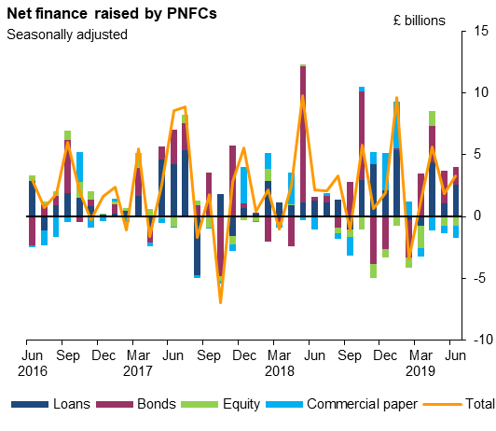

Key links:

Bankstats Tables

Visual summary - businesses' finance raised

Statistical Interactive Database

Table G
Table G: Loans to non-financial businesses
All currencies
Seasonally adjusted

 |  | Changes |  |  | Growth rates

 |  | Non-financial |  |  | Non-financial
 |  | businesses | SMEs(b) | Large(c) | businesses | SMEs(b) | Large(c)
 |  |  |  |  | 12m | 12m | 12m
 |  | £ billions | £ billions | £ billions | per cent | per cent | per cent

 |  | ZLV6 | ZM87 | ZM8F | ZO8K | ZO8M | ZO8O
2019 | Mar | -1.1 | -0.1 | -1.0 | 2.5 | -0.1 | 4.0
 | Apr | 1.8 | 0.3 | 1.5 | 3.3 | 0.2 | 5.0
 | May | 1.7 | 0.2 | 1.4 | 4.2 | 0.5 | 6.3
 | Jun | 2.6 | 0.4 | 2.3 | 4.4 | 0.8 | 6.4

Previous 6m avg: |  | 1.8 | 0.0 | 1.9

(a) Large businesses are those businesses with annual debit account turnover on the main business account £25 million or over.
(b) SMEs are those businesses with annual debit account turnover on the main business account less than £25 million.

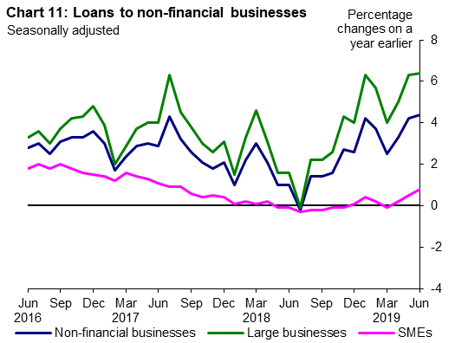

Key links:

Bankstats Tables

Visual summary - businesses' finance raised

Statistical Interactive Database

Table J
Table J: Broad money(a)
Sterling
Seasonally adjusted
 |  | M4 |  |  |  |  | of which:
 |  | excluding intermediate OFCs(b) |  |  |  |  | M4 Households(c) |  |  |  |  | M4 PNFCs(d) |  |  |  |  | M4 Non-intermediate OFCs(b)

 |  | Amounts | Changes | Growth rates |  |  | Amounts | Changes | Growth rates |  |  | Amounts | Changes | Growth rates |  |  | Amounts | Changes | Growth rates
 |  | outstanding |  | 1m | 3m (ann) | 12m | outstanding |  | 1m | 3m (ann) | 12m | outstanding |  | 1m | 3m (ann) | 12m | outstanding |  | 1m | 3m (ann) | 12m
 |  | £ billions | £ billions | per cent | per cent | per cent | £ billions | £ billions | per cent | per cent | per cent | £ billions | £ billions | per cent | per cent | per cent | £ billions | £ billions | per cent | per cent | per cent

 |  | B53Q | B54Q | B68P | B55Q | B56Q | VVHR | VVHS | VVHT | VVHU | VVHW | VVHL | VVHM | VVHN | VVHO | VVHQ | B63Q | B64Q | B67P | B65Q | B66Q
2019 | Mar | 2,157.5 | 3.0 | 0.1 | 0.7 | 2.2 | 1,431.8 | 3.1 | 0.2 | 3.1 | 2.9 | 414.7 | -0.5 | -0.1 | -0.7 | 4.4 | 311.0 | 0.4 | 0.1 | -7.8 | -3.6
 | Apr | 2,167.8 | 8.2 | 0.4 | 2.6 | 2.8 | 1,438.2 | 5.3 | 0.4 | 4.0 | 3.5 | 416.6 | 1.3 | 0.3 | -0.3 | 3.4 | 313.0 | 1.6 | 0.5 | 0.1 | -1.3
 | May | 2,170.8 | 3.3 | 0.2 | 2.7 | 1.8 | 1,444.7 | 6.6 | 0.5 | 4.2 | 3.5 | 419.0 | 2.3 | 0.6 | 3.1 | 3.1 | 307.1 | -5.6 | -1.8 | -4.5 | -7.0
 | Jun | 2,171.4 | 2.0 | 0.1 | 2.5 | 2.0 | 1,448.9 | 5.1 | 0.4 | 4.8 | 3.6 | 414.4 | -4.1 | -1.0 | -0.4 | 1.6 | 308.1 | 1.0 | 0.3 | -3.8 | -4.3

Previous 6m avg: |  |  | 4.4 |  |  |  |  | 4.8 |  |  |  |  | 0.7 |  |  |  |  | -1.0

(a) For further statistics relating to M4 excluding intermediate OFCs and its sectoral components, see Bankstats Tables A2.2.3 and A4.1. Also see the Visual summary of latest developments in the Banks' money and credit statistics.
(b) The equivalent series not seasonally adjusted are also available on Bankstats Table A2.2.3.
(c) The equivalent series not seasonally adjusted are also available on Bankstats Table A4.1. This is with the exception of the three-month annualised growth rate, which is available on the Statistical Interactive Database as code VVIM.
(d) The equivalent series not seasonally adjusted are also available on Bankstats Table A4.1. This is with the exception of the three-month annualised growth rate, which is available on the Statistical Interactive Database as code VVIG.

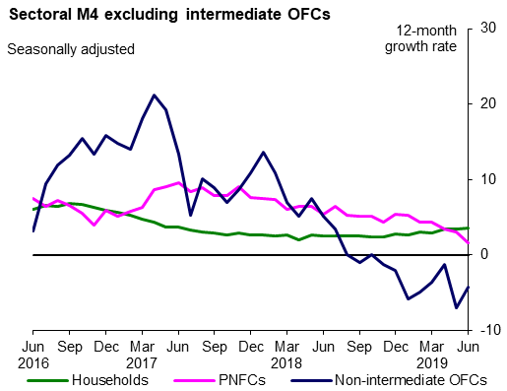

Key links:

Bankstats Tables

Visual summary - latest developments in the Banks' money and credit statistics

Statistical Interactive Database

Table K
Table K: Aggregate credit(a)
Sterling
Seasonally adjusted
 |  | M4L |  |  |  |  | of which:
 |  | excluding intermediate OFCs(b) |  |  |  |  | M4L Households(c) |  |  |  |  |  | M4L PNFCs(d)(e) |  |  |  |  | M4L Non-intermediate OFCs(f)

 |  | Amounts | Changes | Growth rates |  |  | Amounts | Changes | Growth rates |  |  |  | Amounts | Changes | Growth rates |  |  | Amounts | Changes | Growth rates
 |  | outstanding |  | 1m | 3m (ann) | 12m | outstanding |  | 1m | 3m (ann) | 12m |  | outstanding |  | 1m | 3m (ann) | 12m | outstanding |  | 1m | 3m (ann) | 12m
 |  | £ billions | £ billions | per cent | per cent | per cent | £ billions | £ billions | per cent | per cent | per cent |  | £ billions | £ billions | per cent | per cent | per cent | £ billions | £ billions | per cent | per cent | per cent

 |  | B57Q | B58Q | B66P | B59Q | B62Q | BC44 | VWNV | VWNW | VWEI | VWNZ |  | BC57 | VWNQ | VWNR | VWNS | VWNU | B67Q | B68Q | B65P | B69Q | B72Q
2019 | Mar | 2,078.0 | 10.5 | 0.5 | 1.3 | 3.7 | 1,417.8 | 3.6 | 0.3 | 2.9 | 3.2 | 0,000.0 | 408.6 | 1.6 | 0.4 | 3.2 | 4.7 | 251.5 | 5.4 | 2.2 | -9.6 | 5.0
 | Apr | 2,075.5 | 2.9 | 0.1 | 2.8 | 4.1 | 1,421.1 | 3.8 | 0.3 | 3.0 | 3.1 | 0,000.0 | 406.0 | 2.1 | 0.5 | 3.5 | 5.2 | 248.5 | -3.0 | -1.2 | 0.8 | 8.0
 | May | 2,075.0 | -0.6 | 0.0 | 2.5 | 3.9 | 1,423.4 | 2.9 | 0.2 | 2.9 | 3.0 | 0,000.0 | 407.2 | 1.1 | 0.3 | 4.9 | 5.4 | 244.3 | -4.6 | -1.9 | -3.7 | 6.3
 | Jun | 2,089.4 | 11.5 | 0.6 | 2.7 | 3.8 | 1,426.5 | 3.3 | 0.2 | 2.9 | 3.0 | 0,000.0 | 412.0 | 2.2 | 0.5 | 5.5 | 5.3 | 251.0 | 6.0 | 2.4 | -2.7 | 6.4

Previous 6m avg: |  |  | 3.8 |  |  |  |  | 3.4 |  |  |  |  |  | 1.6 |  |  |  |  | -1.1

(a) For further statistics relating to M4L excluding intermediate OFCs and its sectoral components, see Bankstats Tables A2.2.3 and A4.3. Also see the Visual summary of latest developments in the Banks' money and credit statistics.
(b) The equivalent series not seasonally adjusted are also available on Bankstats Table A2.2.3.
(c) The equivalent series not seasonally adjusted are also available on Bankstats Table A4.3. This is with the exception of the three-month annualised growth rate, which is available on the Statistical Interactive Database as code B9Y6.
(d) The equivalent series not seasonally adjusted are also available on Bankstats Table A4.3. This is with the exception of the three-month annualised growth rate, which is available on the Statistical Interactive Database as code B9Y5.
(e) These series include purchases of bonds made as part of the Bank of England’s Corporate Bond Purchase Scheme. Data on Central Bank holdings of securities can be found in Bankstats Table B2.2. For further information on the Bank’s treatment of securities transactions in credit statistics, see:
www.bankofengland.co.uk/statistics/Documents/articles/2015/2may.pdf.
(f) This series has not been seasonally adjusted as after examination it was found not to be significantly seasonal. This series will, however, be reviewed for seasonality regularly.

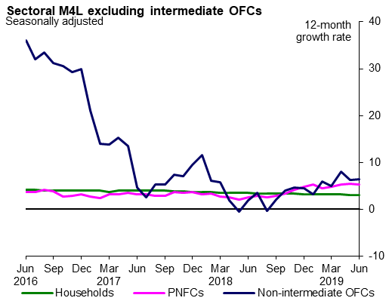

Key links:

Bankstats Tables

Visual summary - latest developments in the Banks' money and credit statistics

Statistical Interactive Database

